Intro
 | William C. Dunkelberg Owl Fund - Valuation Workbook

x | INSTRUCTIONS - Please Read
 | There are many tabs within the workbook, all of which are relevant and important to completing a proper valuation for your target company. Before beginning, ensure that your Excel options menu (under the 'Formulas' tab) is set up correctly, as shown in the picture to the right. Regardless of whether you set 'Workbook Calculation' to "Automatic" or "Automatic except for data tables," hit the F9 key when making changes to data tables to ensure all tables update. All values throughout the workbook are color-coded (blue, black or green) to allow for easier navigation & recognition. The 'Drivers' and 'Revenue Build' tabs are used to conduct a scenario analysis (Bull, Bear & Base cases). Input the assumptions in the appropriate cells and select your 'Active Case' in the Revenue Build tab (using the drop down menu in cell C9). READ ALL COMMENTS THROUGHOUT THE WORKBOOK (denoted by red triangles in the upper right corner of cells) as they will help you complete certain parts of the model! Make sure to change existing comments & input YOUR OWN to inform others of your assumptions. The 'Summary' tab combines everything into "report-ready" format. When submitting the final model with your Initiating Coverage Report, hide / remove this 'Intro' tab, but keep all other tabs visible. Be wary of copying or filling down the line with formulas. Formulas in quarterly periods will likely not be applicable or correct in an annual column. Additionally, not every quarterly formula will work for other quarterly columns (e.g. QoQ growth for 1Q would use 4Q as a base, which is 2 columns away vs other quarters using bases 1 column to the left). It is very important that you do not change the name of line items. Other items in the workbook are linked to values based on that nomenclature. You should have all the core items that you need and any extranneous items can be grouped in the "Other" row for that section. We can't contruct a schedule to project every little item every company reports, | 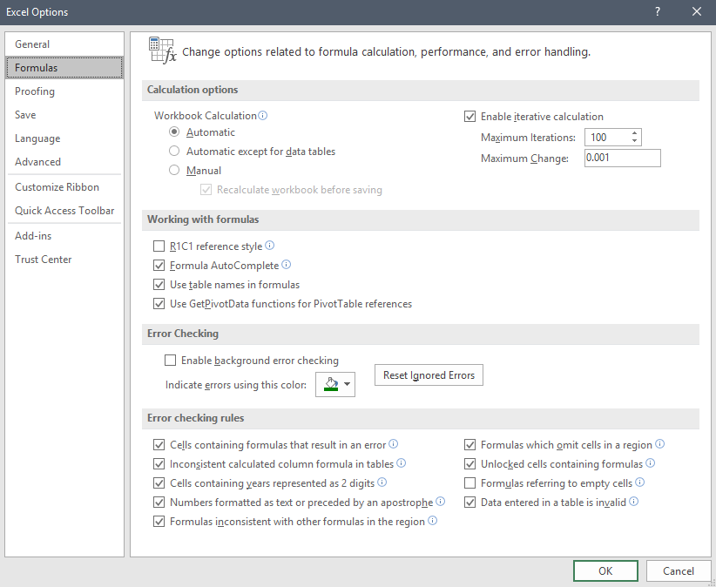

Cover
 |  | Lowe's Companies, Inc. - Cover: Base Case |  |  |  |  |  | Font Toggle
 |  | $ in Millions Except Per Share Data |  |  |  |  |  | Working
 |  |  |  |  |  |  |  |  | x
x |  | Model Assumptions: |  | Return Summary:

 |  |  |  | Discounted Cash Flow Analysis |  | Multiple Analysis

 |  |  |  | Exit Multiple Method |  | EV/EBITDA Method
 |  |  |  | Implied Enterprise Value: | ($86,370.5) |  | Target Price: | % Return:
 |  |  |  | Implied Equity Value: | (103,426.5)
 |  |  |  |  |  | 1 Year LTM EV/EBITDA | ($24) | 0.0%
 |  |  |  | Implied Share Price: | ($146)
 |  |  |  | % Return: | 0.0% | 2009-2018 Late Cycle EV/EBITDA | ($24) | 0.0%

 |  |  |  | Perpetuity Growth Method |  | P/E Multiple Method
 |  |  |  | Implied Enterprise Value: | ($24,838.2) |  | Target Price: | % Return:
 |  |  |  | Implied Equity Value: | (41,894.2)
 |  |  |  |  |  | 1 Year LTM P/E | $0 | 0.0%
 |  | Company Name | INTERNATIONAL BUSINESS MACHINES CORP | Implied Share Price: | ($59)
 |  | Ticker | IBM | % Return: | 0.0% | 2009-2018 Late Cycle P/E | $0 | 0.0%

 |  | Case Scenario | Base | Table of Contents

 |  | Last Fiscal Year | 12/31/25 | Cover
 |  | Next Fiscal Year | 2026-12-31 | Summary
 |  | Last Fiscal Quarter Reported | 2Q | Football Field
 |  | Current Valuation Date | 2025-09-03 | Integrity
 |  |  |  | Revenue Build
 |  | Current Share Price | $284.84 | Model
 |  | 52-Week High | $332.46 | Segment Analysis
 |  | 52-Week Low | $212.34 | Drivers
 |  |  |  | WACC
 |  | Effective Tax Rate | 24.4% | Valuation
 |  | Dividend Yield | 1.3% | Comparables
 |  | Diluted Shares Outstanding (MRQ) | 707.0 | Charts
 |  |  |  | Benchmark
 |  | Model Type | Top Down | Multiples Data
 |  |  |  | Pre-Earnings
 |  |  |  | Post-Earnings

x | x | END

